Results
Compound ID | Curve | AC50 IP [M] | Max Activity | Max Activity Conc [M]
830027#1 | 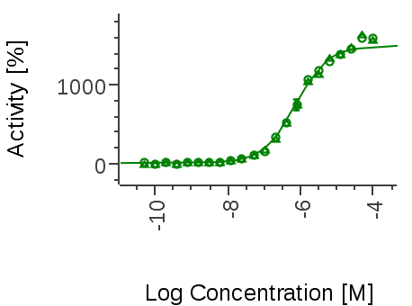 | 752E-9 | 1586.9 | 9.9999997474E-05
2029301#1 | 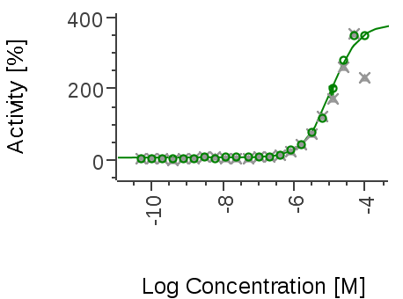 | 11.2E-6 | 352.4 | 9.9999997474E-05
2098066#1 | 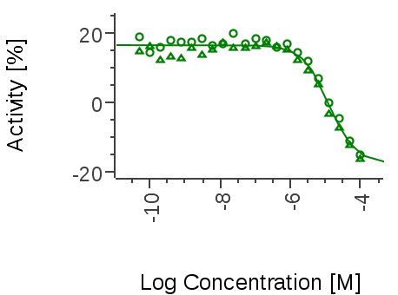 | > 100E-6 | -15.2 | 9.9999997474E-05
2214649#1 | 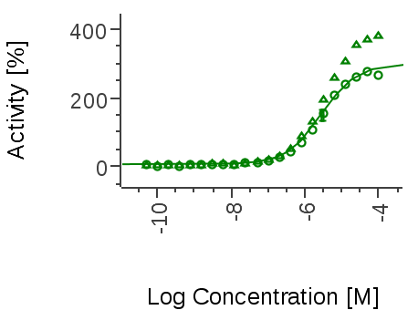 | 2.85E-6 | 324.4 | 9.9999997474E-05
2306797#1 | 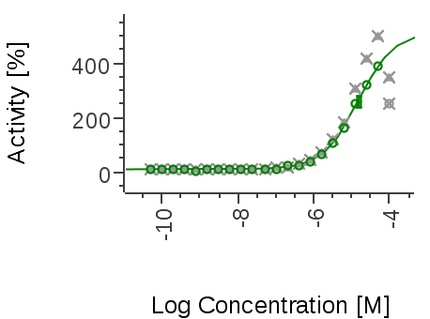 | 15.3E-6 | 387.8 | 4.9999980547E-05
2339844#1 | 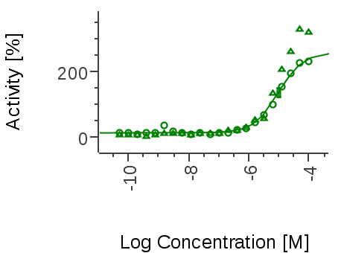 | 9.8E-6 | 277.0 | 9.9999997474E-05
2372368#1 | 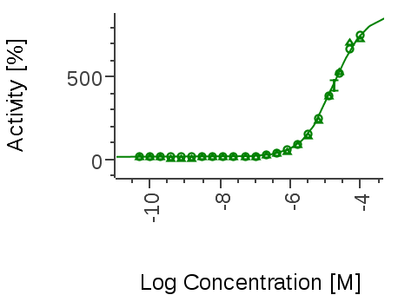 | 17.1E-6 | 744.1 | 9.9999997474E-05
2373199#1 | 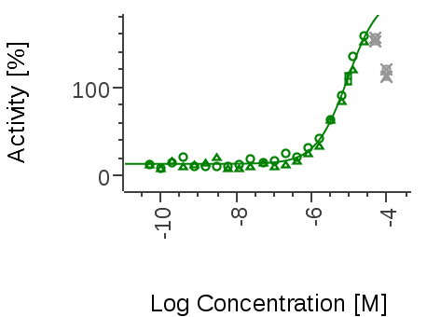 | 9.07E-6 | 155.3 | 2.5000008463E-05
2393155#1 | 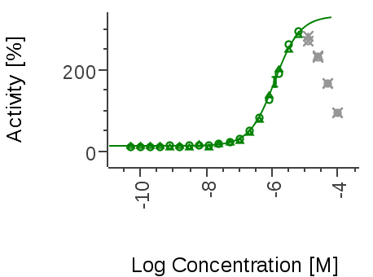 | 1.21E-6 | 289.5 | 6.2499975684E-06
2396300#1 | 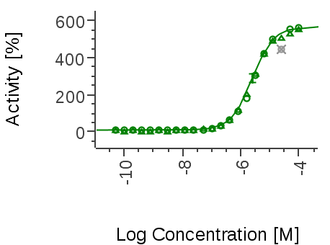 | 2.54E-6 | 558.6 | 9.9999997474E-05
2398441#1 | 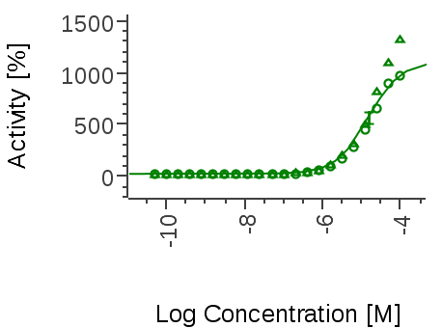 | 15E-6 | 1153.3 | 9.9999997474E-05
2414258#1 | 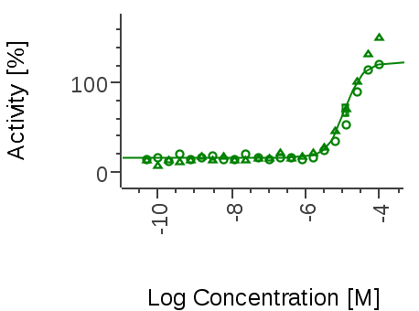 | 11.6E-6 | 136.8 | 9.9999997474E-05
2430558#1 | 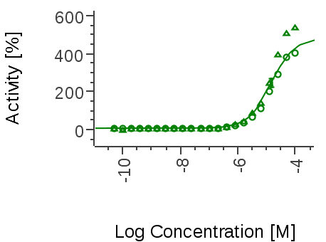 | 14.5E-6 | 472.2 | 9.9999997474E-05
2537789#1 | 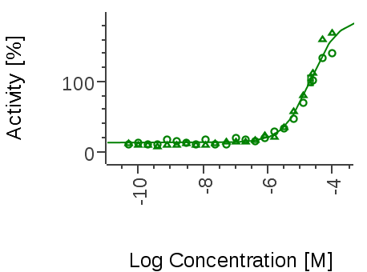 | 20.5E-6 | 156.6 | 9.9999997474E-05
2581220#1 | 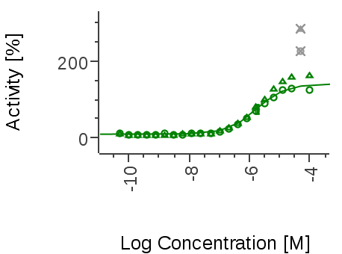 | 1.72E-6 | 144.5 | 9.9999997474E-05
Created by Genedata Screener

